Cover
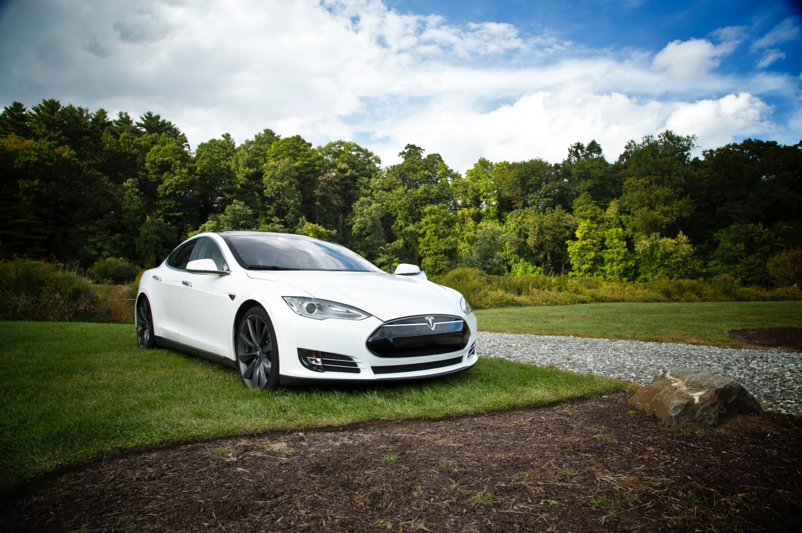

Tesla
Company analysis

Drivers
Drivers
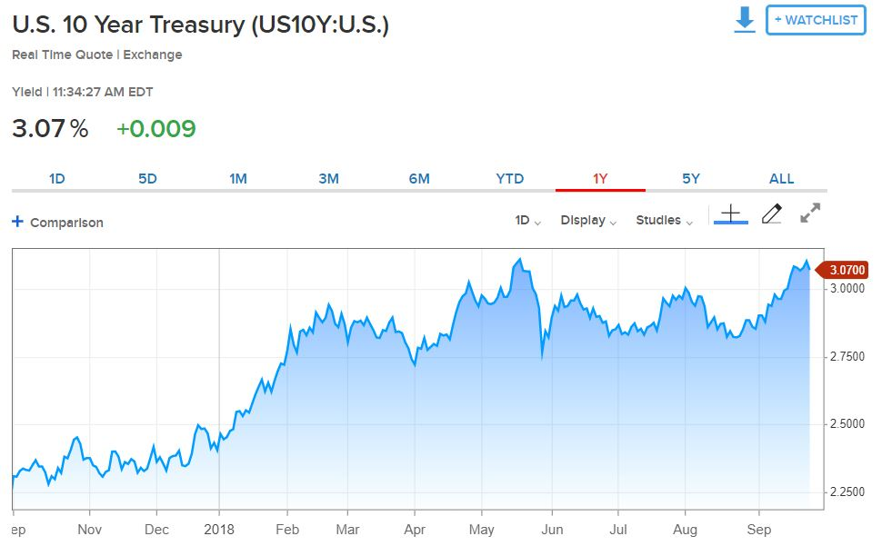
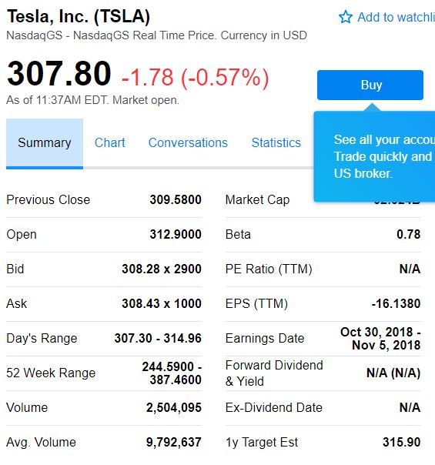
Selected case | 2
Company | Tesla
Currency | USD
Domestic country | United States
10-year treasury yield (Sep 27 2018) | 3.07%
Market risk premium US | 5%
Company beta (Sep 27 2018) | 0.78
Tesla share price (Sep 27 2018) | 307.8
Bond Yield (Sep 19 2018) | 7.50%
Corporate tax rate | 30%
Expected inflation | 2%

Deliveries development
Tesla vehicle deliveries 2014-2027 (actuals and forecasts)
 | Tesla Model 3 | Tesla Model S and X | Tesla Model Y | Tesla Roadster 2 | Tesla Pickup | Tesla Semi
2014 Act | - | 33,600 | - | - | - | -
2015 Act | - | 50,580 | - | - | - | -
2016 Act | - | 76,230 | - | - | - | -
2017 Act | 1,764 | 101,312 | - | - | - | -
2018 H1 Act | 26,620 | 44,100 | - | - | - | -
2018 H2 Fcst | 104,000 | 55,900 | - | - | - | -
2018 Fcst | 130,620 | 100,000 | - | - | - | -
2019 Fcst | 260,000 | 102,000 | 1,764 | - | 250 | 250
2020 Fcst | 416,000 | 104,040 | 130,620 | 500 | 18,512 | 18,512
2021 Fcst | 457,600 | 106,121 | 260,000 | 1,000 | 36,848 | 36,848
2022 Fcst | 503,360 | 108,243 | 416,000 | 1,500 | 58,957 | 58,957
2023 Fcst | 528,528 | 110,408 | 457,600 | 1,650 | 64,853 | 64,853
2024 Fcst | 554,954 | 112,616 | 503,360 | 1,815 | 71,338 | 71,338
2025 Fcst | 566,053 | 114,869 | 528,528 | 1,906 | 74,905 | 74,905
2026 Fcst | 577,375 | 117,166 | 554,954 | 2,001 | 78,650 | 78,650
2027 Fcst | 588,922 | 119,509 | 566,053 | 2,041 | 80,223 | 80,223
2028 Fcst | 600,700 | 121,899 | 577,375 | 2,082 | 81,827 | 81,827

Revenue & GP autom
Revenue and Gross Profit automotive

Vehicle | 2014 Act | 2015 Act | 2016 Act | 2017 Act | 2018 Fcst | 2019 Fcst | 2020 Fcst | 2021 Fcst | 2022 Fcst | 2023 Fcst | 2024 Fcst | 2025 Fcst | 2026 Fcst | 2027 Fcst | 2028 Fcst
Revenue automotive | 3,007 | 3,741 | 6,351 | 9,641 | 14,236 | 19,999 | 38,090 | 51,426 | 67,263 | 72,175 | 77,509 | 80,390 | 83,395 | 85,063 | 86,764
Gross Profit automotive | 861 | 918 | 1,601 | 2,209 | 2,711 | 3,095 | 6,066 | 8,452 | 11,289 | 12,142 | 13,070 | 13,580 | 14,113 | 14,395 | 14,683
GP% | 29% | 25% | 25% | 23% | 19% | 15% | 16% | 16% | 17% | 17% | 17% | 17% | 17% | 17% | 17%

Revenue and Gross Profit automotive
 | Revenue automotive | Gross Profit automotive | GP%
2014 Act | 3,007 | 861 | 29%
2015 Act | 3,741 | 918 | 25%
2016 Act | 6,351 | 1,601 | 25%
2017 Act | 9,641 | 2,209 | 23%
2018 Fcst | 14,236 | 2,711 | 19%
2019 Fcst | 19,999 | 3,095 | 15%
2020 Fcst | 38,090 | 6,066 | 16%
2021 Fcst | 51,426 | 8,452 | 16%
2022 Fcst | 67,263 | 11,289 | 17%
2023 Fcst | 72,175 | 12,142 | 17%
2024 Fcst | 77,509 | 13,070 | 17%
2025 Fcst | 80,390 | 13,580 | 17%
2026 Fcst | 83,395 | 14,113 | 17%
2027 Fcst | 85,063 | 14,395 | 17%
2028 Fcst | 86,764 | 14,683 | 17%

WC development
Working Capital development (2018-2028)
 | Trade receivables | Inventory | Trade payables
31Dec2018 Fcst | 958 | 5,073 | 4,358
31Dec2019 Fcst | 1,228 | 6,648 | 5,711
31Dec2020 Fcst | 2,210 | 11,906 | 10,229
31Dec2021 Fcst | 2,935 | 15,716 | 13,502
31Dec2022 Fcst | 3,790 | 20,209 | 17,362
31Dec2023 Fcst | 4,064 | 21,661 | 18,609
31Dec2024 Fcst | 4,361 | 23,234 | 19,961
31Dec2025 Fcst | 4,528 | 24,119 | 20,721
31Dec2026 Fcst | 4,703 | 25,042 | 21,515
31Dec2027 Fcst | 4,808 | 25,601 | 21,994
31Dec2028 Fcst | 4,915 | 26,174 | 22,487

Revenue by type of car
Revenue by type of car

 | Tesla Revenue Automotive (in mln $)
Vehicle | 2014 Act | 2015 Act | 2016 Act | 2017 Act | 2018 H1 Act | 2018 H2 Fcst | 2018 Fcst | 2019 Fcst | 2020 Fcst | 2021 Fcst | 2022 Fcst | 2023 Fcst | 2024 Fcst | 2025 Fcst | 2026 Fcst | 2027 Fcst | 2028 Fcst | Vehicle type
Tesla Model 3 | - | - | - | n.a. | n.a. | 4,368 | 5,486 | 10,920 | 17,472 | 19,219 | 21,141 | 22,198 | 23,308 | 23,774 | 24,250 | 24,735 | 25,229 | Car
Tesla Model S and X | 3,007 | 3,741 | 6,351 | n.a. | n.a. | 4,891 | 8,750 | 8,925 | 9,104 | 9,286 | 9,471 | 9,661 | 9,854 | 10,051 | 10,252 | 10,457 | 10,666 | Car
Tesla Model Y | - | - | - | - | - | - | - | 88 | 6,531 | 13,000 | 20,800 | 22,880 | 25,168 | 26,426 | 27,748 | 28,303 | 28,869 | Car
Tesla Roadster 2 | - | - | - | - | - | - | - | - | 115 | 230 | 345 | 380 | 417 | 438 | 460 | 469 | 479 | Car
Tesla Pickup | - | - | - | - | - | - | - | 16 | 1,166 | 2,321 | 3,714 | 4,086 | 4,494 | 4,719 | 4,955 | 5,054 | 5,155 | Pickup
Tesla Semi | - | - | - | - | - | - | - | 50 | 3,702 | 7,370 | 11,791 | 12,971 | 14,268 | 14,981 | 15,730 | 16,045 | 16,365 | Truck
Total | 3,007 | 3,741 | 6,351 | 9,641 | 6,093 | 9,259 | 14,236 | 19,999 | 38,090 | 51,426 | 67,263 | 72,175 | 77,509 | 80,390 | 83,395 | 85,063 | 86,764
Revenue from different types of vehicles sold: 2018 - 2028

Types of vehicles
Types of vehicles

 | Tesla Revenue Automotive (in mln $)
Vehicle | 2014 Act | 2015 Act | 2016 Act | 2017 Act | 2018 H1 Act | 2018 H2 Fcst | 2018 Fcst | 2019 Fcst | 2020 Fcst | 2021 Fcst | 2022 Fcst | 2023 Fcst | 2024 Fcst | 2025 Fcst | 2026 Fcst | 2027 Fcst | 2028 Fcst | Vehicle type
Tesla Model 3 | - | - | - | n.a. | n.a. | 4,368 | 5,486 | 10,920 | 17,472 | 19,219 | 21,141 | 22,198 | 23,308 | 23,774 | 24,250 | 24,735 | 25,229 | Car
Tesla Model S and X | 3,007 | 3,741 | 6,351 | n.a. | n.a. | 4,891 | 8,750 | 8,925 | 9,104 | 9,286 | 9,471 | 9,661 | 9,854 | 10,051 | 10,252 | 10,457 | 10,666 | Car
Tesla Model Y | - | - | - | - | - | - | - | 88 | 6,531 | 13,000 | 20,800 | 22,880 | 25,168 | 26,426 | 27,748 | 28,303 | 28,869 | Car
Tesla Roadster 2 | - | - | - | - | - | - | - | - | 115 | 230 | 345 | 380 | 417 | 438 | 460 | 469 | 479 | Car
Tesla Pickup | - | - | - | - | - | - | - | 16 | 1,166 | 2,321 | 3,714 | 4,086 | 4,494 | 4,719 | 4,955 | 5,054 | 5,155 | Pickup
Tesla Semi | - | - | - | - | - | - | - | 50 | 3,702 | 7,370 | 11,791 | 12,971 | 14,268 | 14,981 | 15,730 | 16,045 | 16,365 | Truck
Total | 3,007 | 3,741 | 6,351 | 9,641 | 6,093 | 9,259 | 14,236 | 19,999 | 38,090 | 51,426 | 67,263 | 72,175 | 77,509 | 80,390 | 83,395 | 85,063 | 86,764

 | 2014 Act | 2015 Act | 2016 Act | 2017 Act | 2018 H1 Act | 2018 H2 Fcst | 2018 Fcst | 2019 Fcst | 2020 Fcst | 2021 Fcst | 2022 Fcst | 2023 Fcst | 2024 Fcst | 2025 Fcst | 2026 Fcst | 2027 Fcst | 2028 Fcst
Car |  |  |  |  |  | 9,259 | 14,236 | 19,933 | 33,222 | 41,735 | 51,757 | 55,118 | 58,747 | 60,690 | 62,710 | 63,964 | 65,243
Pickup |  |  |  |  |  | - | - | 16 | 1,166 | 2,321 | 3,714 | 4,086 | 4,494 | 4,719 | 4,955 | 5,054 | 5,155
Truck |  |  |  |  |  | - | - | 50 | 3,702 | 7,370 | 11,791 | 12,971 | 14,268 | 14,981 | 15,730 | 16,045 | 16,365
Total |  |  |  |  |  | 9,259 | 14,236 | 19,999 | 38,090 | 51,426 | 67,263 | 72,175 | 77,509 | 80,390 | 83,395 | 85,063 | 86,764
Revenue from different types of vehicles sold: 2018 - 2028

Profitability
Types of vehicles

($ in million) | 2014 Act | 2015 Act | 2016 Act | 2017 Act | 2018 Fcst | 2019 Fcst | 2020 Fcst | 2021 Fcst | 2022 Fcst | 2023 Fcst | 2024 Fcst | 2025 Fcst | 2026 Fcst | 2027 Fcst | 2028 Fcst
Revenue | 3,198 | 4,046 | 7,000 | 11,759 | 17,988 | 23,057 | 41,515 | 55,124 | 71,184 | 76,330 | 81,914 | 85,059 | 88,344 | 90,309 | 92,325
GP% | 27.6% | 22.8% | 22.8% | 18.9% | 17.2% | 15.4% | 15.8% | 16.3% | 16.7% | 16.7% | 16.7% | 16.8% | 16.8% | 16.8% | 16.8%
EBIT% | -5.8% | -17.7% | -9.5% | -13.9% | -11.1% | 15.4% | 3.3% | 3.8% | 4.2% | 4.2% | 4.3% | 4.3% | 4.3% | 4.3% | 4.3%
Gross Profit | 882 | 924 | 1,599 | 2,222 | 3,097 | 3,543 | 6,568 | 8,994 | 11,864 | 12,751 | 13,716 | 14,265 | 14,839 | 15,165 | 15,499
EBIT | (187) | (717) | (667) | (1,632) | (1,997) | 3,543 | 1,382 | 2,108 | 2,972 | 3,216 | 3,483 | 3,640 | 3,803 | 3,883 | 3,966
Tesla profitability: 2018-2028
 | Revenue | GP% | EBIT%
2014 Act | 3,198 | 27.6% | -5.8%
2015 Act | 4,046 | 22.8% | -17.7%
2016 Act | 7,000 | 22.8% | -9.5%
2017 Act | 11,759 | 18.9% | -13.9%
2018 Fcst | 17,988 | 17.2% | -11.1%
2019 Fcst | 23,057 | 15.4% | 15.4%
2020 Fcst | 41,515 | 15.8% | 3.3%
2021 Fcst | 55,124 | 16.3% | 3.8%
2022 Fcst | 71,184 | 16.7% | 4.2%
2023 Fcst | 76,330 | 16.7% | 4.2%
2024 Fcst | 81,914 | 16.7% | 4.3%
2025 Fcst | 85,059 | 16.8% | 4.3%
2026 Fcst | 88,344 | 16.8% | 4.3%
2027 Fcst | 90,309 | 16.8% | 4.3%
2028 Fcst | 92,325 | 16.8% | 4.3%

